single_box_example
Node | (1, -1.55, 31) | Volume | 0.10 |  |  | - Box Width = 3
Node | (1, -1.5, 0) | Volume | 0.63 |  |  | - Slice area = 9
Node | (1, -1.4, 1) | Volume | 0.90 |  |  | - Slice Spacing = 0.1
Node | (1, -1.3, 2) | Volume | 0.90 |  |  | - Volume of each node = 3 * 3 * 0.1 = 0.9
Node | (1, -1.2, 3) | Volume | 0.90 |  |  | Ideal volume is $3 \times 3 \times 3 = 27$
Node | (1, -1.1, 4) | Volume | 0.90 |  |  | Actual volume should be a bit less than $3 \times 3 \times (3 + 0.1) = 27.9$
Node | (1, -1.0, 5) | Volume | 0.90 |  |  | - The extra volume is due to the 1/2 slice projection of the box in the Z direction
Node | (1, -0.9, 6) | Volume | 0.90 |  |  | - but is reduced slightly due to interpolation of the slice area
Node | (1, -0.8, 7) | Volume | 0.90
Node | (1, -0.7, 8) | Volume | 0.90
Node | (1, -0.6, 9) | Volume | 0.90
Node | (1, -0.5, 10) | Volume | 0.90 |  |  | The volume of a cone can be calculated using the formula:
$$V=πh\frac{r^{2}}{3}$$
Node | (1, -0.4, 11) | Volume | 0.90
Node | (1, -0.3, 12) | Volume | 0.90
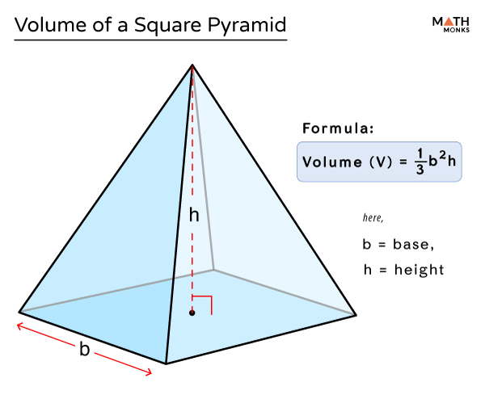
Node | (1, -0.2, 13) | Volume | 0.90
Node | (1, -0.1, 14) | Volume | 0.90 |  |  | where
Node | (1, 0.0, 15) | Volume | 0.90 |  |  | v represents the volume,
Node | (1, 0.1, 16) | Volume | 0.90 |  |  | h is the height,
Node | (1, 0.2, 17) | Volume | 0.90 |  |  | r is the radius of the base.
Node | (1, 0.3, 18) | Volume | 0.90
Node | (1, 0.4, 19) | Volume | 0.90 |  |  | Box Volume: 3x3x3 | 27
Node | (1, 0.5, 20) | Volume | 0.90 |  |  | End cropped pyramid Volume:
Node | (1, 0.6, 21) | Volume | 0.90 |  |  | 3^2*0.1/3 - 3/2*3/2*0.05/3 | 0.2625
Node | (1, 0.7, 22) | Volume | 0.90
Node | (1, 0.8, 23) | Volume | 0.90 |  |  |  | 27.525
Node | (1, 0.9, 24) | Volume | 0.90
Node | (1, 1.0, 25) | Volume | 0.90
Node | (1, 1.1, 26) | Volume | 0.90
Node | (1, 1.2, 27) | Volume | 0.90
Node | (1, 1.3, 28) | Volume | 0.90
Node | (1, 1.4, 29) | Volume | 0.90
Node | (1, 1.5, 30) | Volume | 0.63
Node | (1, 1.55, 32) | Volume | 0.10
Physical Volume: | 27.56 |  |  | 26.10 | 29
Exterior Volume: | 27.56 |  |  | 27.37
Hull Volume: | 27.56

